Preliminary remarks_1
Preliminary remarks

This publication presents the balance sheets for the domestic institutional sectors and the total economy. Both non-financial
assets, calculated by the Federal Statistical Office, as well as financial assets and liabilities, compiled by the Deutsche Bundesbank,
are recorded. The methodological basis is always the European System of Accounts 2010 (ESA 2010). This statistical framework
is binding for all countries of the European Union since September 2014 and, as a general rule, breaks down total assets into
non-financial assets and financial assets. Furthermore, it contains provisions for a uniform classification of non-financial assets,
financial assets and liabilities, as well as institutional sectors. The following amalgamation of these two components to form an
integrated balance sheet provides a more or less complete picture of currently statistically recorded assets, both at a sectoral level
and for the total economy. Considerable gaps occur only in the area of non-financial assets, as data are not available for all of the
non-financial asset categories defined in ESA 2010. Corresponding data are not available for either inventories or valuables, nor
for non-produced assets other than land, such as subsoil assets, water resources and the like.

The integrated balance sheet thus generally shows the items listed in the table below. However, as not every sector has or can
have all types of non-financial assets or financial assets and liabilities, the specific data vary between sectors.

Overview of the balance sheet items recorded in the integrated balance sheets
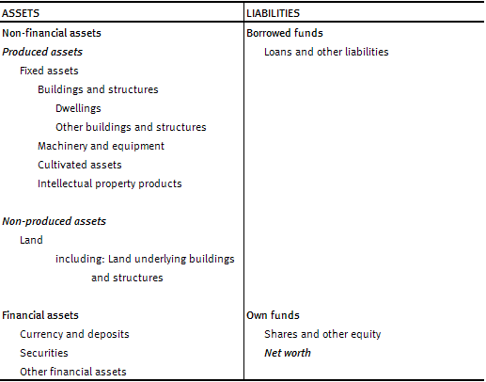

The overview below contains data on the following institutional sectors:

S.1 Total economy
S.11 Non-financial corporations
S.12 Financial corporations
S.13 General government
S.14 + S.15 Households and non-profit institutions serving households

