Cover
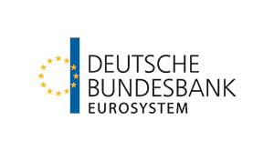

 | Current account by countries

 | Data for the reporting period 2019 to 2026
 | last updated: | September 2026

User information
User information

 | The “Current account” worksheet can be individualised by country / group of countries. Use the arrow to the right of the marked cells to select the desired values from a drop-down list:

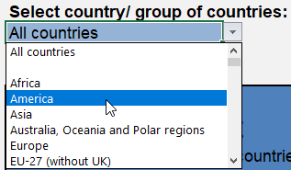

 | Reproduction permitted only if source is stated.

