Cover


 | Goods by countries

 | Data for the reporting period 2018 to 2025
 | last updated: | October 2025

User information
User information

 | The “Goods” worksheet can be individualised by country / group of countries. Use the arrow to the right of the marked cells to select the desired values from a drop-down list:

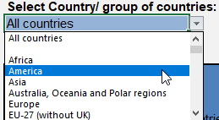

 | Reproduction permitted only if source is stated.

