Cover
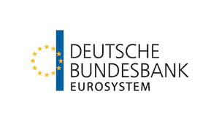

 | Country portrait: EU member states (27)

 | Data for the reporting period 2016 - 2025
 | Updated: | June 2026

